Visualization
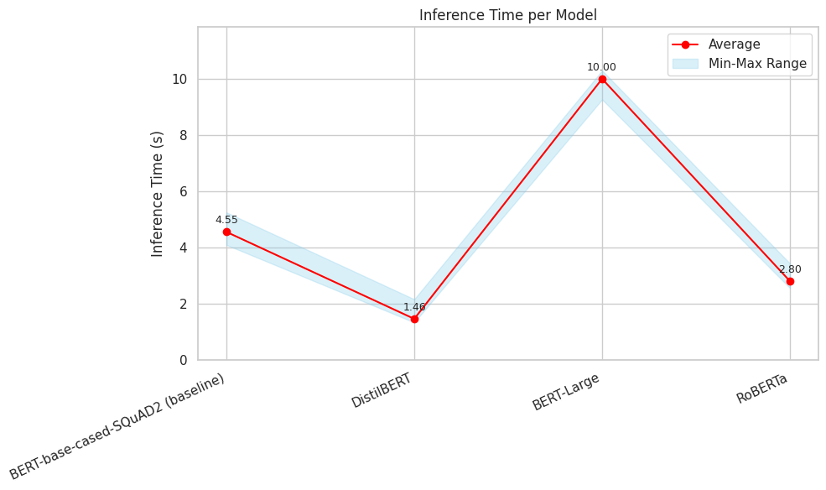
Comparison Table of BERT Models' Averages each metric

Exact Match Score Average per Model

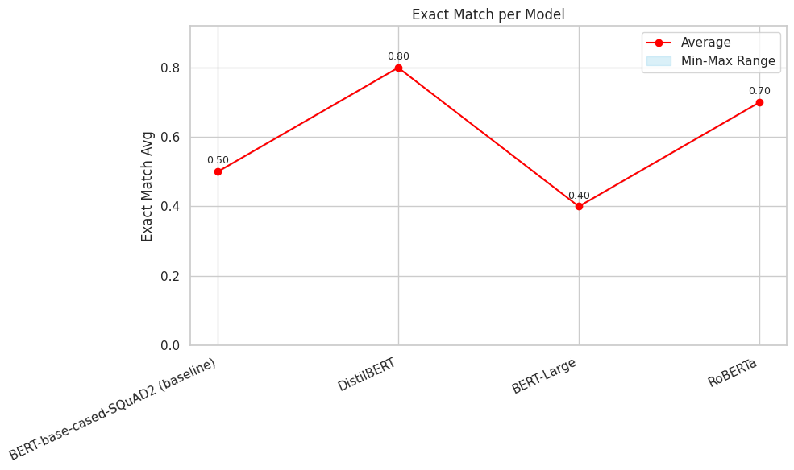

F1 Score Average per Model

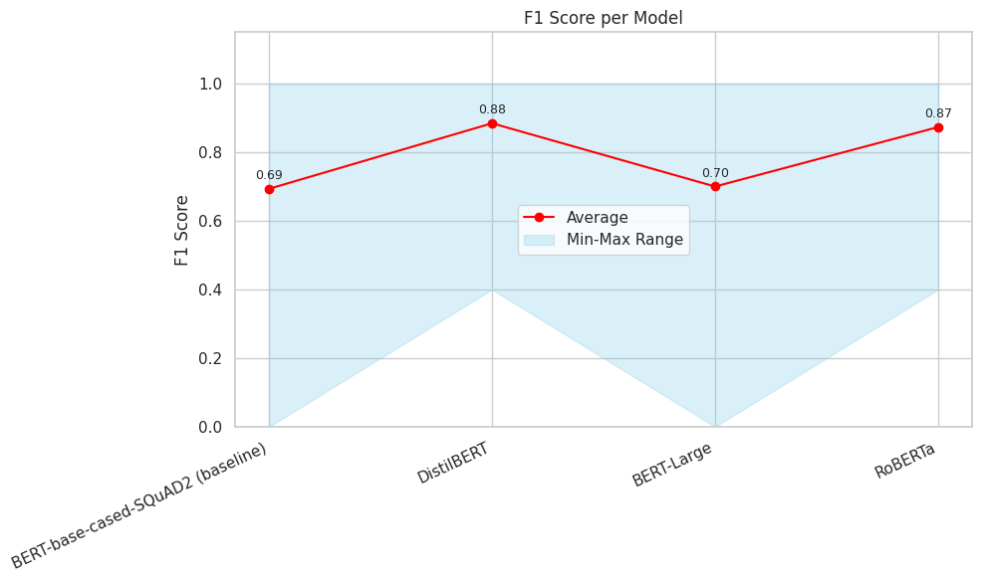

Confidence Score Average per Model

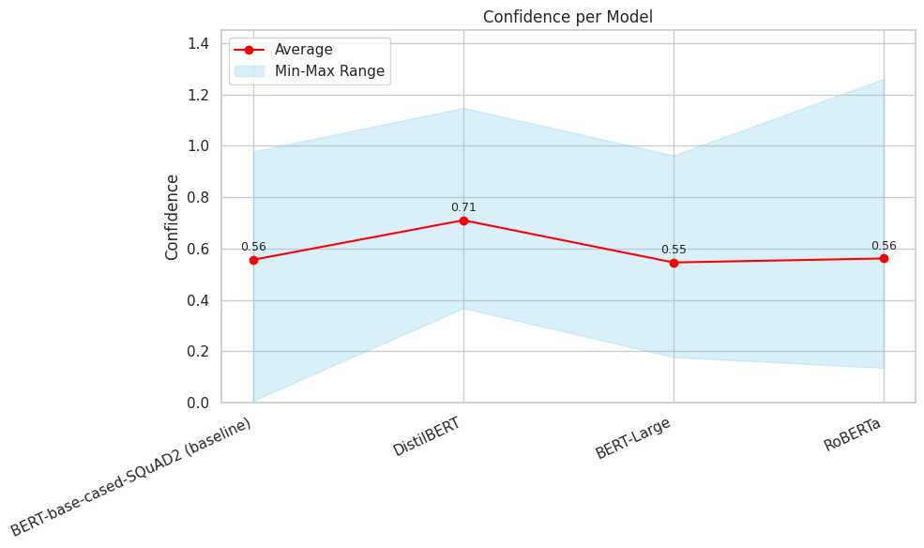

Inference Time (seconds per query) Average per Model

